Supporting data
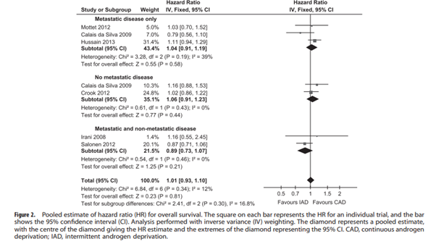
 | Figure 1: Impact on 2WW referrals
 | Period of Time | 2WW urology data (mean number of referrals per month)
 | Jan- March 19 | 18851
 | Jan-March 20 | 18675

 | Figure 2: Lai et al 2020, data on changes in number of urgetn referrals for 8 hospitals across the UK (right hand side).
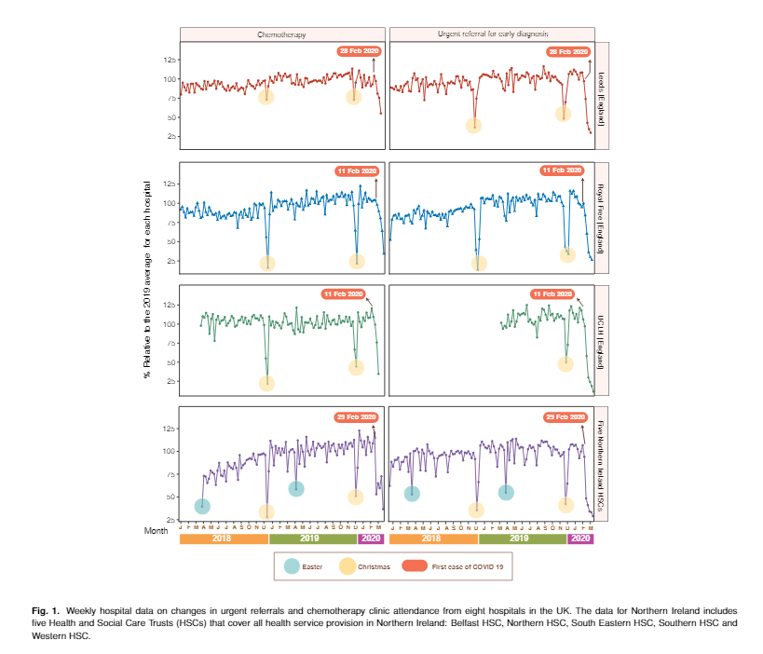

 | Figure 3: | Randomised controlled trials comparing neoadjuvant androgen deprivation therapy before radiotherapy
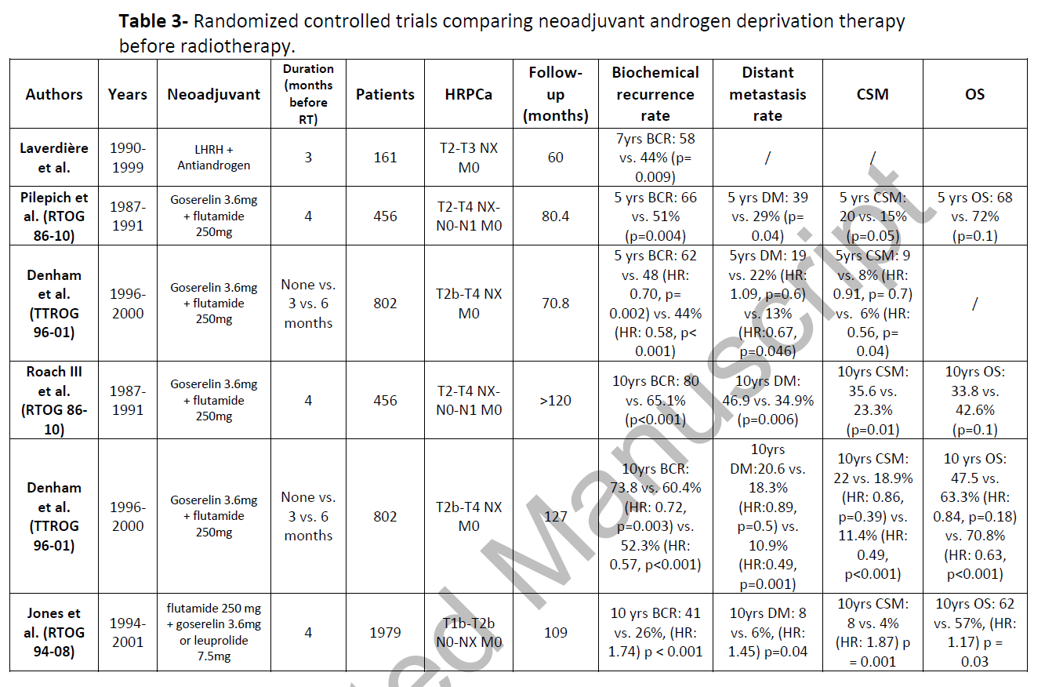

 | Figure 4: Estimated number of missed cancer diagnoses per month/size of prostate cancer population (aggregated age data) (base = 2017 data)
 | 2020 projected number of diagnoses/month | Age 00-69 | Age 70-74 | 75-79 | 70-79 (grade unknown) | Age 70+ (grade <7) | Age 80+ | Total
 | Localised (low and intermediate risk) (grade <7; grade 3+4; grade 4+3; any nodal status) | 821 | 322 | 221 | 32 | 0 | 124 | 1520 | 235 | prostate cancer diagnoses = localised with 4+3 Gleason grade
 | High risk localised (Stage localised; grade >7; any nodal status) | 69 | 54 | 54 | 0 | 0 | 35 | 212 |  | Therefore number of missed clinically significant cancers per month |  | 1420
 | Stage locally advanced (all grades; node negative)* | 345 | 187 | 131 | 20 | 16 | 99 | 798
 | Stage locally advanced (all grades; node positive) | 71 | 41 | 31 | 0 | 0 | 31 | 175
 | Metastatic (any nodal status; grade known) | 108 | 70 | 56 | 0 | 0 | 38 | 271
 | Metastatic (any nodal status; grade unknown) | 37 | 37 | 49 | 0 | 0 | 158 | 281
 | Stage unknown | 94 | 59 | 60 | 0 | 0 | 177 | 390
 | Total | 1545 | 771 | 602 | 619 | 190 | 662 | 3647
SOURCE: Public Health England: Get Data Out (accessed 15/06/2020)

 | Figure 4b: Number of missed diagnoses per month/size of prostate cancer population (base = 2017 data) using granular age groupings

 | 2020 projected number of diagnoses/month | Age 00-59 | Age 60-69 | Age 00-69 (grade unknown) | 70-74 | 75-79 | 70-79 (grade unknown) | Age 70+ (grade <7) | Age 80+ | Age 80+ (grade unknown) | Total
 | Localised (low and intermediate risk) (grade <7; grade 3+4; grade 4+3; any nodal status) | 251 | 544 | 26 | 322 | 221 | 32 | 0 | 80 | 44 | 1520
 | High risk localised (Stage localised; grade >7; any nodal status) | 15 | 54 | 0 | 54 | 54 | 0 | 0 | 35 | 0 | 212
 | Stage locally advanced (all grades; node negative) | 75 | 248 | 21 | 187 | 131 | 20 | 16 | 53 | 46 | 798
 | Stage locally advanced (all grades; node positive) | 18 | 53 | 0 | 41 | 31 | 0 | 0 | 31 | 0 | 175
 | Metastatic (any nodal status; grade known) | 28 | 80 | 0 | 70 | 56 | 0 | 0 | 38 | 0 | 271
 | Metastatic (any nodal status; grade unknown) | 0 | 0 | 37 | 37 | 49 | 0 | 0 | 158 | 0 | 281
 | Stage unknown | 29 | 65 | 0 | 59 | 60 | 0 | 0 | 177 | 0 | 390
 | Total | 416 | 1045 | 85 | 771 | 602 | 52 | 16 | 572 | 89 | 3647

SOURCE: Public Health England: Get Data Out (accessed 15/06/2020)

 | Figure 5: Pooled esimate of HR for overall survival of IAD vs continuous ADT

